拍摄需求
序号 | 产品图片 | 编码 | 中文名称 | 拍摄需求
1 |  | DG74B02K00 | Blackstone 36" 烤架炉头阀门1554替换零件（1554, 1565, 1836, 1866, 1560） | 1、整体拍摄，多角度拍摄，需要3张立体感图片以及多张各个面的平面图 2、细节拍摄 3、拆卸安装示意图。 |  |  | 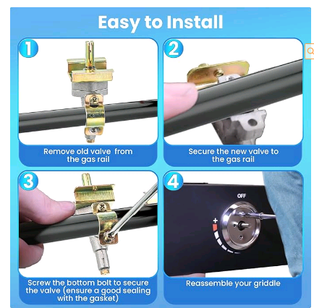
2 |  | DG74B02L00 | 233-47845-05热水器引火组件 | 1.整体拍摄线缆要整理丝滑流畅；整体拍摄不同角度3张左右。 2.拍摄顶部细节，不同角度拍摄3-5张。 3.拍摄各线缆细节，包括线缆本身，端口细节。每根线缆及端口拍摄3-5张，3根一共9-15张
3 |  | DG74B02M00 | 引燃器兼容Honeywell Q314A4586 配件 | 1、多角度拍摄 2、拍摄产品细节，产品上面的参数拍摄清楚
4 |  | DG74B02N00 | 64865 Weber烤炉替换减压阀 for Weber Q2000 Q2200 | 1、整体拍摄，多角度拍摄，需要3张立体感图片以及多张各个面的平面图 2、细节拍摄 3、拆开拍摄（包括安装角度对准-I列）
5 |  | DG74B02O00 | 69848点火器开关带69794点火电极
6 |  | DG74B02P00 | WB13K18 点火电极
7 |  | DG74B02Q00 | 00189786点火针
8 |  | DG74B02R00 | 10FT POL 钢编管套件（带5个黄铜转接头） | 1、整体多角度拍摄 2、管子细节拍摄、包括管子头部螺纹、管子安装角度、表盘细节 3、螺丝单独拍，组合拍 | 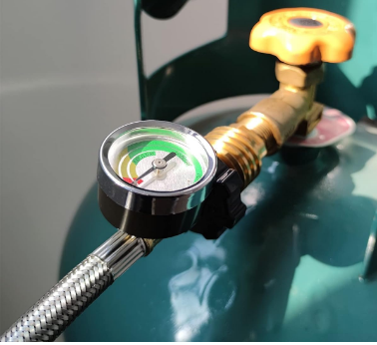
9 |  | DG74B02S00 | 5个POL 手轮+10个o形圈+10个密封垫圈
10 |  | DG74B02T00 | 长杆铜阀锌合金旋钮组件带5个喷嘴 | 1、整体多角度拍摄 2、旋钮与把手安装在一起拍摄 3、旋钮、把手单个产品多角度细节拍摄
11 |  | DG74B02U00 | 压电点火导线3根一套 | 头尾细节
12 |  | DG74B02V01 | 2出RV炉灶按钮压电点火开关 | 1.所有配件组装好之后整体拍摄，多角度拍摄，需要3张立体感图片以及多张各个面的平面图 2.拆卸配件，各配件单独拍摄，每个配件多角度拍摄，细节拍摄， 3.各链接端口细节着重拍摄
13 |  | DG74B02V02 | 3出RV炉灶按钮压电点火开关 | 同上
14 |  | DG74B02V03 | 4出RV炉灶按钮压电点火开关 | 同上
15 |  | DG74B02W00 | 6出按压点火开关
16 |  | DG74B02X00 | 20inch铜管带2065643阀门 | 1、整体产品多角度拍摄 2、各个部分拆开单独拍摄，拍摄产品细节 3、配件组合拍摄·
17 |  | DG74B02Y00 | 2065641阀门20"双铜管 | 1、整体多角度拍摄 2、细节拍摄，拍摄管子头部细节、管子材质、配件螺纹细节 3、配件组合拍摄·
18 |  | DG74B02Z00 | 002003F先导阀引火组件 | 1、多角度拍摄 2、拍摄产品细节
19 |  | DG74B03000 | 4021-732天然气点火组件 | 1、整体多角度拍摄 2、拍摄产品细节、传感器头部细节、线束头部细节 |  | 